Sheet1
 | SSA GRAND PRIX no 2

CLUB NAME:

ORDER CUT OFF: 10 Aug 2026

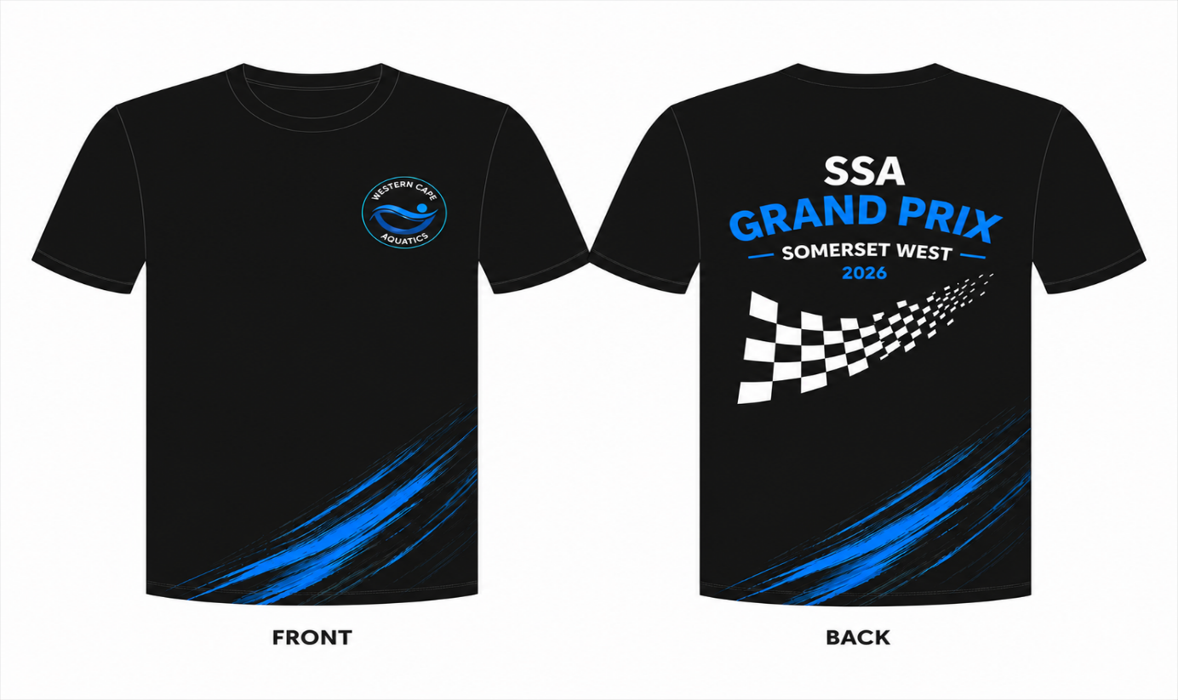

SIZE | QTY | PRICE | TOTAL
9-10 |  | R250 | R0
11-12 |  | R250 | R0
13-14 |  | R250 | R0
SMALL |  | R250 | R0
MEDIUM |  | R250 | R0
LARGE |  | R250 | R0
XL |  | R250 | R0
2XL |  | R250 | R0
3XL |  | R250 | R0

TOTAL SHIRTS | 0 | TOTAL DUE | R0

